A2 - Find, Len
FIND / LEN Functions
 |  |  |  | RIGHT
 |  |  | String | VTQY-2216 | YPX-382 | X-29
 |  |  | We want | 2216 | 382 | 29
 |  |  | Length | 9 | 7 | 4
 |  |  | Find - | 5 | 4 | 2
 |  |  | Which Position does Number start?
 |  |  | Length-Find | 4 | 3 | 2

 | Now there are other ID's that have variable lengths. You did so well with the first set of ID's your client wants you to do more.
 | The new set of ID's has a variable structure but the sections of the ID are separated by a '-'. Use the find function to get the 'BBBB x' sections of the product IDs.Eg. For YPX-382,get 382

 | Product IDs | Find('-') |  | Length |  | Product ID Extract
 | VTYQ-2216 | 5 | =FIND("-",B13) | 9 | =LEN(B13) | 2216 | =RIGHT(B13,E13-C13)
 | YPX-382 | 4 | =FIND("-",B14) | 7 | =LEN(B14) | 382 | =RIGHT(B14,E14-C14)
 | X-29 | 2 | =FIND("-",B15) | 4 | =LEN(B15) | 29 | =RIGHT(B15,E15-C15)
 | ZT-97486 | 3 | =FIND("-",B16) | 8 | =LEN(B16) | 97486 | =RIGHT(B16,E16-C16)
 | LTXT-36166 | 5 | =FIND("-",B17) | 10 | =LEN(B17) | 36166 | =RIGHT(B17,E17-C17)
 | KWU-99 | 4 | =FIND("-",B18) | 6 | =LEN(B18) | 99 | =RIGHT(B18,E18-C18)
 | VY-205 | 3 | =FIND("-",B19) | 6 | =LEN(B19) | 205 | =RIGHT(B19,E19-C19)
 | NZX-061 | 4 | =FIND("-",B20) | 7 | =LEN(B20) | 061 | =RIGHT(B20,E20-C20)

 | Practice Exercise
 | Now your client gives you a set of phone numbers. The phone numbers are standardized but need to be separated into area codes and phone numbers [(XXX)XXX-XXXX]
 | Use the Find, length and right, left, and mid functions to separate the numbers.

 | Phone Numbers | Find("(") | Find(')') | Find('-') | Area Code | Phone Number Section 1 | Phone Number Section 2
13 | (834)133-1776 | 1 | 5 | 9 | 834 | 133 | 1776
13 | (623)560-7830 | 1 | 5 | 9 | 623 | 560 | 7830
13 | (220)249-2610 | 1 | 5 | 9 | 220 | 249 | 2610
13 | (444)698-6184 | 1 | 5 | 9 | 444 | 698 | 6184
13 | (639)771-1953 | 1 | 5 | 9 | 639 | 771 | 1953
13 | (761)431-5462 | 1 | 5 | 9 | 761 | 431 | 5462
13 | (326)681-5891 | 1 | 5 | 9 | 326 | 681 | 5891

A3 - Prop, Con
CONCAT Function
Guided Exercise

Now you've been given a long list of cities. However, the cities are in all capital letters. Your client would like properly formatted text.
With these cities, use the Proper function to transform the city names. Also concatenate the city and the corresponding country using the "City, Country" convention

Cities | Country | Proper |  | Concatenate
MANAUS | Brazil | Manaus | =PROPER(B7) | Manaus,Brazil | =CONCAT(D7,",",C7)
CAMPINA GRANDE | Brazil | Campina Grande | =PROPER(B8) | Campina Grande,Brazil | =CONCAT(D8,",",C8)
NATAL | South Africa | Natal | =PROPER(B9) | Natal,South Africa | =CONCAT(D9,",",C9)
BELÉM | Brazil | Belém | =PROPER(B10) | Belém,Brazil | =CONCAT(D10,",",C10)
JOÃO PESSOA | Brazil | João Pessoa | =PROPER(B11) | João Pessoa,Brazil | =CONCAT(D11,",",C11)
FORTALEZA | Brazil | Fortaleza | =PROPER(B12) | Fortaleza,Brazil | =CONCAT(D12,",",C12)
CASTANHAL | Brazil | Castanhal | =PROPER(B13) | Castanhal,Brazil | =CONCAT(D13,",",C13)
MARANGUAPE | Ceará | Maranguape | =PROPER(B14) | Maranguape,Ceará | =CONCAT(D14,",",C14)

Practice Exercise

Now there are a list of clients. The database, however, stored them all in uppercase. Your clients wants you fix the formatting before sending bills to them.
Reformat the names into the proper case. Also, concatenate the names into their full names.
 |  | Use Proper function | Use Proper function | Use Concat function
First Name | Last Name | First Name | Last Name | Full Name
ERIC | JOHNSON | Eric | Johnson | Eric, Johnson
JOHN | SMITH | John | Smith | John, Smith
BETH | SUMMERS | Beth | Summers | Beth, Summers
MILES | PETERSON | Miles | Peterson | Miles, Peterson
JENNA | STONE | Jenna | Stone | Jenna, Stone
QUINN | COOK | Quinn | Cook | Quinn, Cook

Your answer looks like this

A4 - Validation
Data Validation

 |  | A lot of data entry happens | Lot of people enter data | And they make mistakes

 |  | Logical |  | Business specific
Guided Exercise |  | Date -> 300993 200620 or Name -> 2099 M or Month ->19 |  | Specific list of names can be entered

Data is the heart of data analysis and Excel. However, humans are extremely variable. As such, human-entry data is very variable, which causes issues all the time. How do we solve for that?
Data Validation prevents or limits the possible entries into Excel. Below is a completed form that needs to be maintained. Use Data Validation to keep data consistent. Recreate the form below using data validation.

Date Sold | Month Sold | Quantity | Unit Price | Revenue
2016-06-14 | 6 | 208 | $14.50 | $3,016
2016-07-02 | 7 | 197 | $14.50 | $2,857
2016-06-15 | 6 | 176 | $14.50 | $2,552
2016-06-10 | 6 | 168 | $14.50 | $2,436
2016-06-15 | 6 | 166 | $14.50 | $2,407
2016-06-18 | 6 | 157 | $14.50 | $2,277
2016-06-24 | 6 | 142 | $14.50 | $2,059
2016-06-14 | 6 | 193 | $9.99 | $1,928
2016-06-17 | 6 | 205 | $9.00 | $1,845
2016-06-17 | 6 | 199 | $9.00 | $1,791
2016-06-13 | 6 | 188 | $9.00 | $1,692

Only allowed dates between start date and end date in table above | Between 1 & 12 | Should be a number | Can only be one of the values above | Cannot be less than 1000
Date Sold | Month Sold | Quantity | Unit Price | Revenue | List Unit price
<Date> | <Whole Number> | <Whole Number> | <Decimal> | <Decimal> | $14.50 | Raj
2016-06-19 | 4 | 1905-06-22 | $9.00 | $1,200 | $9.99 | Rajasthan
2016-06-20 | 4 | 2010-07-20 | $9.99 |  | $9.00
2016-06-21 | 4 | 2010-07-21 | $14.50
2016-06-22 | 4 | 2010-07-22 | $14.50
2016-06-23 | 4 | 2010-07-23 | $14.50
2016-06-24 | 4 | 2010-07-24 | $14.50
2016-06-25 | 4 | 2010-07-25 | $9.00

Practice Exercise

Now sales need to be recorded. There are 5 products sold by 8 sales people. However, you can see they enter-in data very differently from salesperson to salesperson.
Use data validation to prevent sales entry errors.

Distributor Name | Product | Sales Channel | Date Sold | Quantity | Revenue
Devin Abbott | SUPA105 | Online | Friday Jul 1 | 208 | $3,016.00
Aphrodite Brennan | Super Soft Bulk - 2 Litres | Direct | Jul14 | one hundred ninety nine | $2,856.50
Guinevere Key | SUPA104 | Retail | 15-Jun | seventy five | $2,552.00
Zahir Fields | Super Soft - 1 Litre | Direct | 15-5-2016 | 168 | $2,436.00
Deacon Craig | Detafast Stain Remover - 800ml | Retail | 16-02 | 166 | $2,407.00 |  | #VALUE!
Brynne Mcgowan | DETA800 | Online | Tuesday, 14-May | 157 | $2,276.50
Lani Sweet | PURA250 | Online | 2016-06-24 | 142 | $2,059.00
Noble Warner | Pure Soft Detergent - 250ml | Retail | 2016-06-14 | 193 | $1,692.00

Should be only the list of Distributor names | Should be only the list of Product names | Should be only the list of Sales channel | Should be a DATE | Should be a number | Number with decimals allowed
Distributor Name | Product | Sales Channel | Date Sold | Quantity | Revenue
<List> | <List> | <List> | <Date> | <Whole Number> | <Decimal |  | Salesmen | Products | Sales Channel
Devin Abbott | Super Soft Bulk - 2 Litres | Direct | 2016-06-14 | 157 | 3,016.00 |  | Devin Abbott | Super Soft Bulk - 2 Litres | Online
Aphrodite Brennan | Super Soft Bulk - 2 Litres | Online | 2016-06-24 | 168 | 2,856.50 |  | Aphrodite Brennan | Super Soft - 1 Litre | Direct
Guinevere Key | Super Soft - 1 Litre | Retail | 2016-06-14 | 168 | 2,856.50 |  | Guinevere Key | Detafast Stain Remover - 800ml | Retail
Zahir Fields | Super Soft - 1 Litre | Retail | 2016-06-15 | 193 | 2,436.00 |  | Zahir Fields | Pure Soft Detergent - 250ml
Brynne Mcgowan | Super Soft - 1 Litre | Online | 2016-06-16 | 168 | 2,856.50 |  | Deacon Craig
Deacon Craig | Super Soft - 1 Litre | Direct | 2016-06-17 | 168 | 2,856.50 |  | Brynne Mcgowan
Lani Sweet | Super Soft - 1 Litre | Retail | 2016-06-18 | 166 | 2,276.50 |  | Lani Sweet
Noble Warner | Super Soft - 1 Litre | Retail | 2016-06-19 | 142 | 2,856.50 |  | Noble Warner
Deacon Craig | Super Soft - 1 Litre | Retail | 2016-06-20 | 168 | 2,856.50

B1 - Clean & Text to Column
 | CLEAN - REMOVES SPECIAL CHARACTERS from your Data
 | Special Character come during transfer of data from one Software to another, Web data etc.

Guided Exercise

Your manager has given you a table of raw data to perform analysis on. The data has been pulled from multiple sources and needs to be standardized prior to analysis. You can see the unique square to the left of each word

Product
PROGRAF | PROGRAF | =CLEAN(B13)
PARIET
CONCERTA
LEUSTATIN
VELCADE
LEUSTATIN
VELCADE

Apply CLEAN(text) function

Product
PROGRAF | =CLEAN(B13)
PARIET
CONCERTA
LEUSTATIN
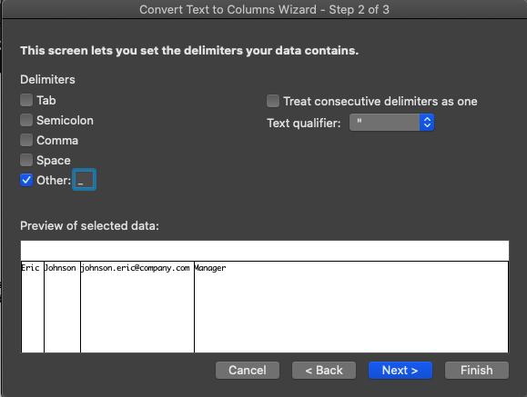
3
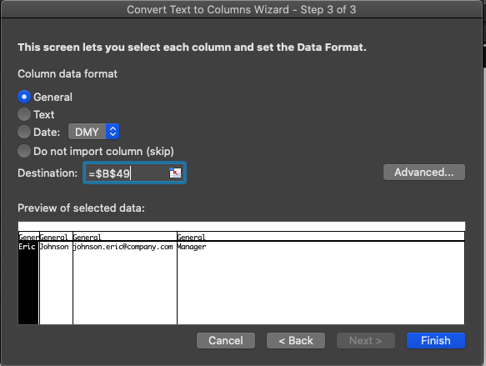
4
VELCADE
LEUSTATIN
VELCADE

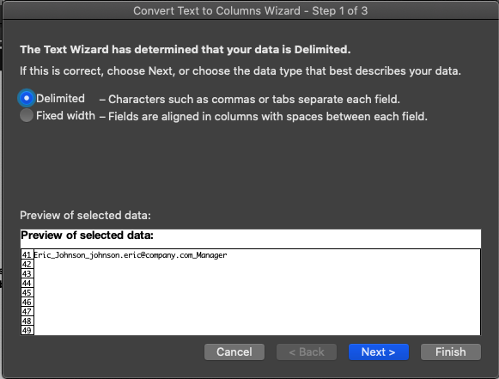
Guided Exercise

2
Your manager has given you raw contact info that needs to be separated by First Name, Last Name, Email Address and Employee Level. Using the text to columns function, separate this data in the table below.

Staffing Data
Eric | Johnson | johnson.eric@company.com | Manager
John | Smith | john.smith@company.com | Director
Beth | Summers | beth.summers@company.com | associate
Miles | Peterson | Miles.peterson@company.com | Partner
Jenna | Stone | Jenne.Stone@company.com | Manager
Quinn | Cook | Quinn.Cook@company.com | Manager

Delimited(separated) - Observe your Data - it is separated by _
Eric_Johnson_johnson.eric@company.com_Manager
First Name | Last Name | Email Address | Employee Level
Eric | Johnson | johnson.eric@company.com | Manager
John | Smith | john.smith@company.com | Director
Beth | Summers | beth.summers@company.com | associate
Miles | Peterson | Miles.peterson@company.com | Partner
Jenna | Stone | Jenne.Stone@company.com | Manager
Quinn | Cook | Quinn.Cook@company.com | Manager

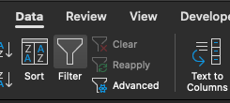

1
 |  |  |  | First name | Last name | Email ID | Level

B2 - Trim
The TRIM function
It removes all spaces from a string (with the exception of single spaces between words)
Use TRIM on text that you have received from another application that may have irregular spacing

 |  |  | Your manager has given you a table of raw data to perform analysis on. The data has been pulled from multiple sources and needs to be standardized prior to analysis.

 |  |  | Product Detail
 |  |  | PROGRAF 5MG 50CAPSULAS PROIBID
Before TRIM | Thi s is a trim m ed tex t |  | PARIET 20 MG 28 CP OR
After TRIM | Thi s is a trim m ed tex t | =TRIM(B14) | CONCERTA 54MG FR 30CP OR
 |  |  | LEUSTATIN INJ CT C/ 1 FR AMP
 |  |  | VELCADE 3,5 MG OR
 |  |  | LEUSTATIN INJ CT C/ 1 FR AMP
 |  |  | VELCADE 3,5 MG OR

 |  |  | Trim
 |  |  | PROGRAF 5MG 50CAPSULAS PROIBID
 |  |  | PARIET 20 MG 28 CP OR
 |  |  | CONCERTA 54MG FR 30CP OR
 |  |  | LEUSTATIN INJ CT C/ 1 FR AMP
 |  |  | VELCADE 3,5 MG OR
 |  |  | LEUSTATIN INJ CT C/ 1 FR AMP
 |  |  | VELCADE 3,5 MG OR

B3 - Substitute
You have been tasked to create a table for 2015 cost data. You have already created the same list for sales data in the previous two years. Using the data on the left and the substitute formula, create a new list in the right hand column.

The SUBSTITUTE function substitutes new_text for old_text in a text string
Use SUBSTITUTE when you want to replace specific text in a text string
Syntax -
=SUBSTITUTE(Text, Old_Text, New_Text, Instance_num)
=SUBSTITUTE(Text or reference to text you want to substitute characters, text you want to replace, the text you want to replace old text with, (Optional) Specifies with instance of old text you want to replace with new text)
Tips - Use quotes around text strings

Substitute

Sales Data
Quarter 1, 2013 | Quarter 1, 2015 | =SUBSTITUTE(A13,"2013","2015")
Quarter 2, 2013 | Quarter 2, 2015
Quarter 3, 2013 | Quarter 3, 2015
Quarter 4, 2013 | Quarter 4, 2015
Quarter 1, 2014 | Quarter 1, 2014
Quarter 2, 2014 | Quarter 2, 2014
Quarter 3, 2014 | Quarter 3, 2014
Quarter 4, 2014 | Quarter 4, 2014

Practice Exercise
Your manager has given you a table of raw data to perform analysis on. The data has been pulled from multiple sources and needs to be standardized prior to analysis.

TRIM to remove spaces & Substitue "," with "."
Product Detail |  | Product Detail
PROGRAF 5,0MG 50CAPSULAS PROIBID |  | PROGRAF 5.0MG 50CAPSULAS PROIBID | =TRIM(SUBSTITUTE(A30,",","."))
PARIET 20 MG 28 CP OR |  | PARIET 20 MG 28 CP OR
CONCERTA 54MG FR 30CP OR |  | CONCERTA 54MG FR 30CP OR
LEUSTATIN INJ CT C/ 1 FR AMP |  | LEUSTATIN INJ CT C/ 1 FR AMP
VELCADE 3,5 MG OR |  | VELCADE 3.5 MG OR
LEUSTATIN INJ CT C/ 1 FR AMP |  | LEUSTATIN INJ CT C/ 1 FR AMP
VELCADE 3,5 MG OR |  | VELCADE 3.5 MG OR

B4- Stored as Text
 | Your manager has given you a table of raw data to perform analysis on. The data has been pulled from multiple sources and needs to be standardized prior to analysis.

 | We want to add these values
This Green Triangle means that our value is stored as Text instead of number
Text is Aligned in Excel to LEFT
Number is Aligned to RIGHT

 | Reported Quantity
 | 2
 | 3
 | 5
 | 3
 | 10
 | 5
 | 10
Total | - | Cannot get a number if you add text

Use followng steps to convert Text to Columns
1. Select D24 to D30
2. Click on Data Tab
3. Click on "Text to Columns"
4. Follow instructions
 | Using VALUE function |  | Using Text To Columns

 | Reported Quantity |  | Reported Quantity
 | 2 | =VALUE(B11) | 2
 | 3 |  | 3
 | 5 |  | 5
 | 3 |  | 3
 | 10 |  | 10
 | 5 |  | 5
 | 10 |  | 10
Total | 38 | Total | -

B5 - De-Duplicating
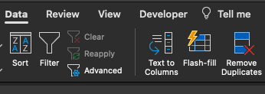
1

Your manager provided you with the following data, noting that there may be identical duplicate entries. You need to update the table to only display the unique rows.

Distributor ID | Distributor Name | Country
23345 | Devin Abbott | France
23278 | Aphrodite Brennan | Malawi
23303 | Guinevere Key | Colombia
23353 | Zahir Fields | Canada
23289 | Deacon Craig | Mongolia
23378 | Brynne Mcgowan | Finland
23283 | Lani Sweet | Vanuatu
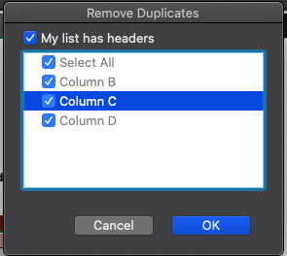
23324 | Noble Warner | Burkina Faso
2
23264 | Levi Douglas | Tanzania, United Republic of
23291 | Jelani Odonnell | Albania
23305 | Jared Sandoval | Botswana
23350 | Hiroko Acevedo | Burundi
23300 | Rhona Clarke | Zimbabwe
23348 | Tad Mack | Iceland
23290 | Rama Goodwin | Tunisia
23328 | Keaton Wolfe | French Southern Territories
23294 | Samuel Ayala | Brazil

